D1
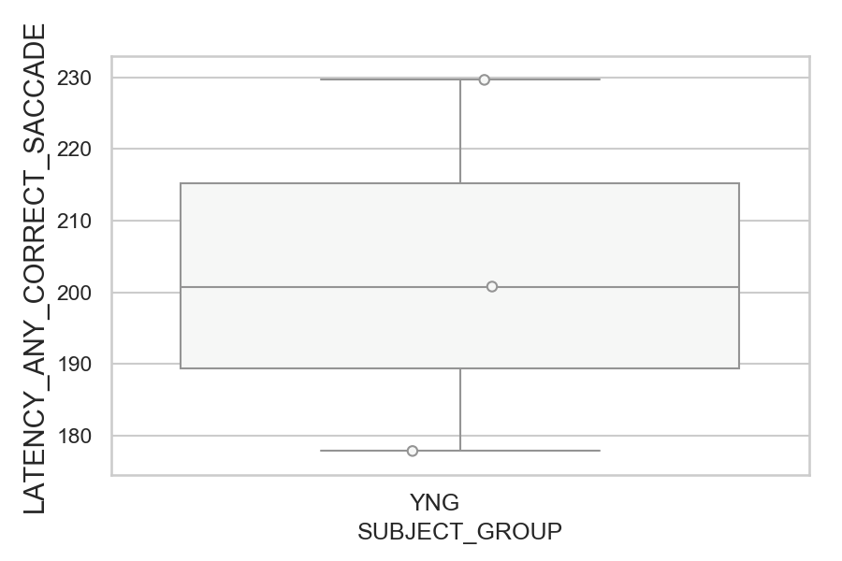
Latency of the correct or corrected saccades (ms)(mean latency of all trials per subject)
SUBJECT_NAME | SUBJECT_GROUP | SUBJECT_AGE | VALUE
AW001CG | YNG | 19 | 229.625
MP1 | YNG |  | 200.8
AW002AF | YNG | 19 | 177.875

D1 (types)
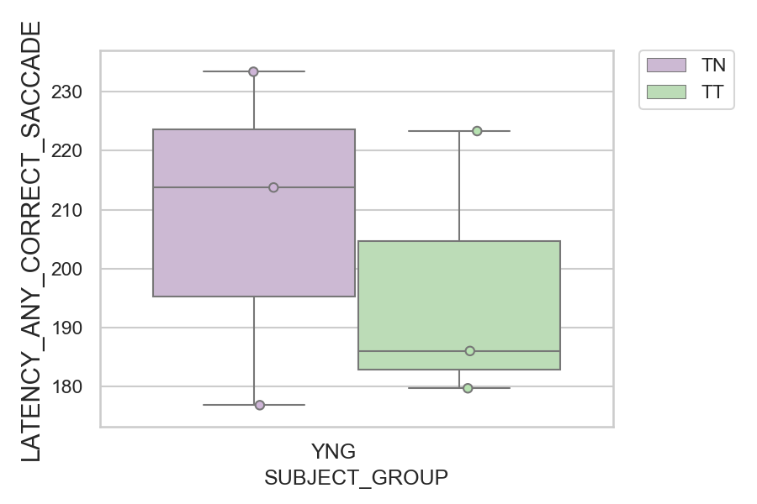
Latency of the correct or corrected saccades (ms)(mean latency of all trials per subject)
SUBJECT_NAME | SUBJECT_GROUP | CONDITION_APPEARANCE | SUBJECT_AGE | VALUE
AW001CG | YNG | TN | 19 | 233.4
AW001CG | YNG | TT | 19 | 223.33333333
MP1 | YNG | TN |  | 213.75
MP1 | YNG | TT |  | 186
AW002AF | YNG | TT | 19 | 179.66666667
AW002AF | YNG | TN | 19 | 176.8

